Disclaimer
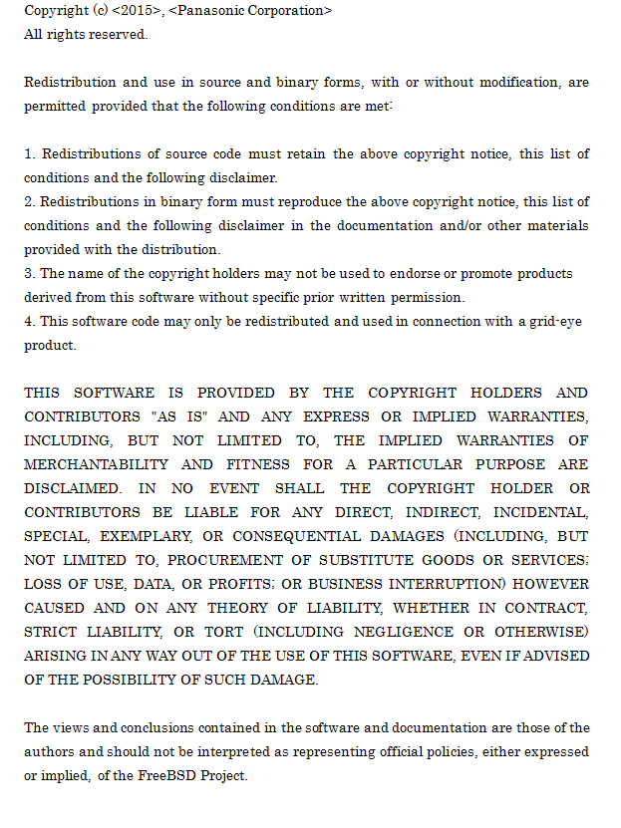

(Lv2 API) Sample Flowchart
■API Lv2 sample flowchart

Start
Start measurement

Get temperature.
bAMG_PUB_I2C_Read()
Initialize
measurement

succeed
communication ?

passage of 15s
after power on ?
No

Yes
No

Convert temperature.
vAMG_PUB_TMP_ConvTemperature64()
In case of change of array order
vAMG_PUB_IMG_ConvertFlipX()
vAMG_PUB_IMG_ConvertFlipY()
bAMG_PUB_IMG_ConvertFlipXY()
bAMG_PUB_IMG_ConvertRotate90()
vAMG_PUB_IMG_ConvertRotate180()
bAMG_PUB_IMG_ConvertRotate270()
End measurement
failure (Communication Error)
Yes

passage of 0.1s
after last measurement ?

No
Increment number of measurement.

Yes

Execute
measurement
(number of measurement) <
(number for moving average)

Yes

succeed
measurement ?
No

No
Calculate average.
shAMG_PUB_CMN_CalcAve()
shAMG_PUB_CMN_CalcIIR()
shAMG_PUB_CMN_CalcIIR_f()
End measurement
failure (Initial process)

Yes

Output result

Linear interpolation.
bAMG_PUB_IMG_LinearInterpolationSQ15()
bAMG_PUB_IMG_LinearInterpolation()

(number of measurement) ==
(number for moving average)

Yes

No

Object detection.
vAMG_PUB_ODT_CalcDiffImage()
vAMG_PUB_ODT_CalcDetectImage1()
vAMG_PUB_ODT_CalcDetectImage2()
Initialize background temperature.
Copy from current temperature.

Labeling
ucAMG_PUB_ODT_CalcDataLabeling8()
End measurement
failure (Initial process)

Initialize output image.

(number of label) = 1

Increment number of label.

(number of label) <=
(nunber of detected object)

No

Yes

Calculate Size.
bAMG_PUB_FEA_CalcArea()

Judge human.
bAMG_PUB_HDT_JudgeHuman()

No

Yes

Calculate Center Position.
bAMG_PUB_FEA_CalcCenterTemp()
bAMG_PUB_FEA_CalcCenterTemp_f()
Update background temperature.
bAMG_PUB_IMG_ImageDilation1()
bAMG_PUB_BGT_UpdateBackTemp()

Convert Output Position.
bAMG_PUB_OUT_CalcOutImage()
bAMG_PUB_OUT_CalcOutImage_f()

End measurement
success

Update output image.

(Lv3 API) Sample Flowchart
■API Lv3 sample flowchart

Start
Start measurement

Get temperature.
bAMG_PUB_I2C_Read()
Initialize
measurement
bAMG_PUB_ODT_Initialize()
bAMG_PUB_OTR_Initialize()

succeed
communication ?
Setting
measurement
bAMG_PUB_ODT_SetPrm()
bAMG_PUB_OTR_SetPrm()
bAMG_PUB_BGT_SetPrm()

No

Yes

Convert temperature.
vAMG_PUB_TMP_ConvTemperature64()
In case of change of array order
vAMG_PUB_IMG_ConvertFlipX()
vAMG_PUB_IMG_ConvertFlipY()
bAMG_PUB_IMG_ConvertFlipXY()
bAMG_PUB_IMG_ConvertRotate90()
vAMG_PUB_IMG_ConvertRotate180()
bAMG_PUB_IMG_ConvertRotate270()
End measurement
failure (Communication Error)

passage of 15s
after power on ?

No

Yes

Increment number of measurement.

passage of 0.1s
after last measurement ?

(number of measurement) <
(number for moving average)

No

Yes

Yes
No

Execute
measurement
Calculate average.
shAMG_PUB_CMN_CalcAve()
shAMG_PUB_CMN_CalcIIR()
shAMG_PUB_CMN_CalcIIR_f()
End measurement
failure (Initial process)

succeed
measurement ?

Linear interpolation.
bAMG_PUB_IMG_LinearInterpolationSQ15()
bAMG_PUB_IMG_LinearInterpolation()
No

Yes

Output result
(number of measurement) ==
(number for moving average)

Yes

No

Object detection.
bAMG_PUB_ODT_Execute()
Initialize background temperature.
Copy from current temperature.

Object tracking.
bAMG_PUB_OTR_Execute()
End measurement
failure (Initial process)

Update output image.
bAMG_PUB_OTR_GetOutput()

Update background temperature.
bAMG_PUB_IMG_ImageDilation1()
bAMG_PUB_BGT_UpdateBackTemp()

End measurement
success

